Figure 1
Figure 1. Percentage of Private Sector Workers Ages 25-64 Offered an Employer-Sponsored Pension, 1979-2013

Source: U.S. Census Bureau, Current Population Survey Annual Social and Economic Supplement, 1980-2014.
* When using these data, please cite the Center for Retirement Research at Boston College.

1980 | 58.66% | 1979
1981 | 58.37% | 1980
1982 | 57.56% | 1981
1983 | 56.33% | 1982
1984 | 56.10% | 1983
1985 | 55.15% | 1984
1986 | 55.52% | 1985
1987 | 55.07% | 1986
1988 | 55.11% | 1987
1989 | 55.66% | 1988
1990 | 55.96% | 1989
1991 | 57.21% | 1990
1992 | 56.94% | 1991
1993 | 57.42% | 1992
1994 | 56.70% | 1993
1995 | 59.93% | 1994
1996 | 59.50% | 1995
1997 | 61.60% | 1996
1998 | 61.44% | 1997
1999 | 63.32% | 1998
2000 | 62.84% | 1999
2001 | 62.90% | 2000
2002 | 61.73% | 2001
2003 | 59.32% | 2002
2004 | 59.67% | 2003
2005 | 59.41% | 2004
2006 | 57.46% | 2005
2007 | 55.46% | 2006
2008 | 57.34% | 2007
2009 | 55.63% | 2008
2010 | 53.94% | 2009
2011 | 53.74% | 2010
2012 | 53.24% | 2011
2013 | 53.16% | 2012
2014 | 55.66% | 2013

Figure 2
Figure 2. Reasons Cited by Small Employers as the Most Important for Not Offering a Retirement Plan, 2003

Source: Employee Benefits Research Institute (2003).
* When using these data, please cite the Center for Retirement Research at Boston College.

Business related | 41%
Employee related | 27%
Cost/admin related | 25%
Other | 6%

Figure 3
Figure 3. State Retirement Security Activity, as of March 2016
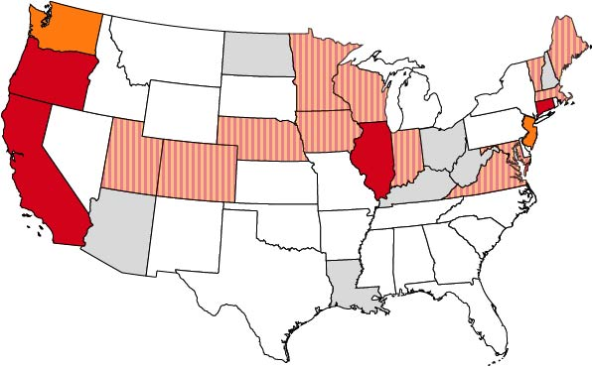

Failed legislative initiative
No activity
Active legislative initiative
Auto-IRA enacted
Marketplace enacted

Source: Authors’ analysis.
* When using these data, please cite the Center for Retirement Research at Boston College.

