Figure 1
Figure 1. County Expenditures as a Percentage of Total Government Expenditures for Each State
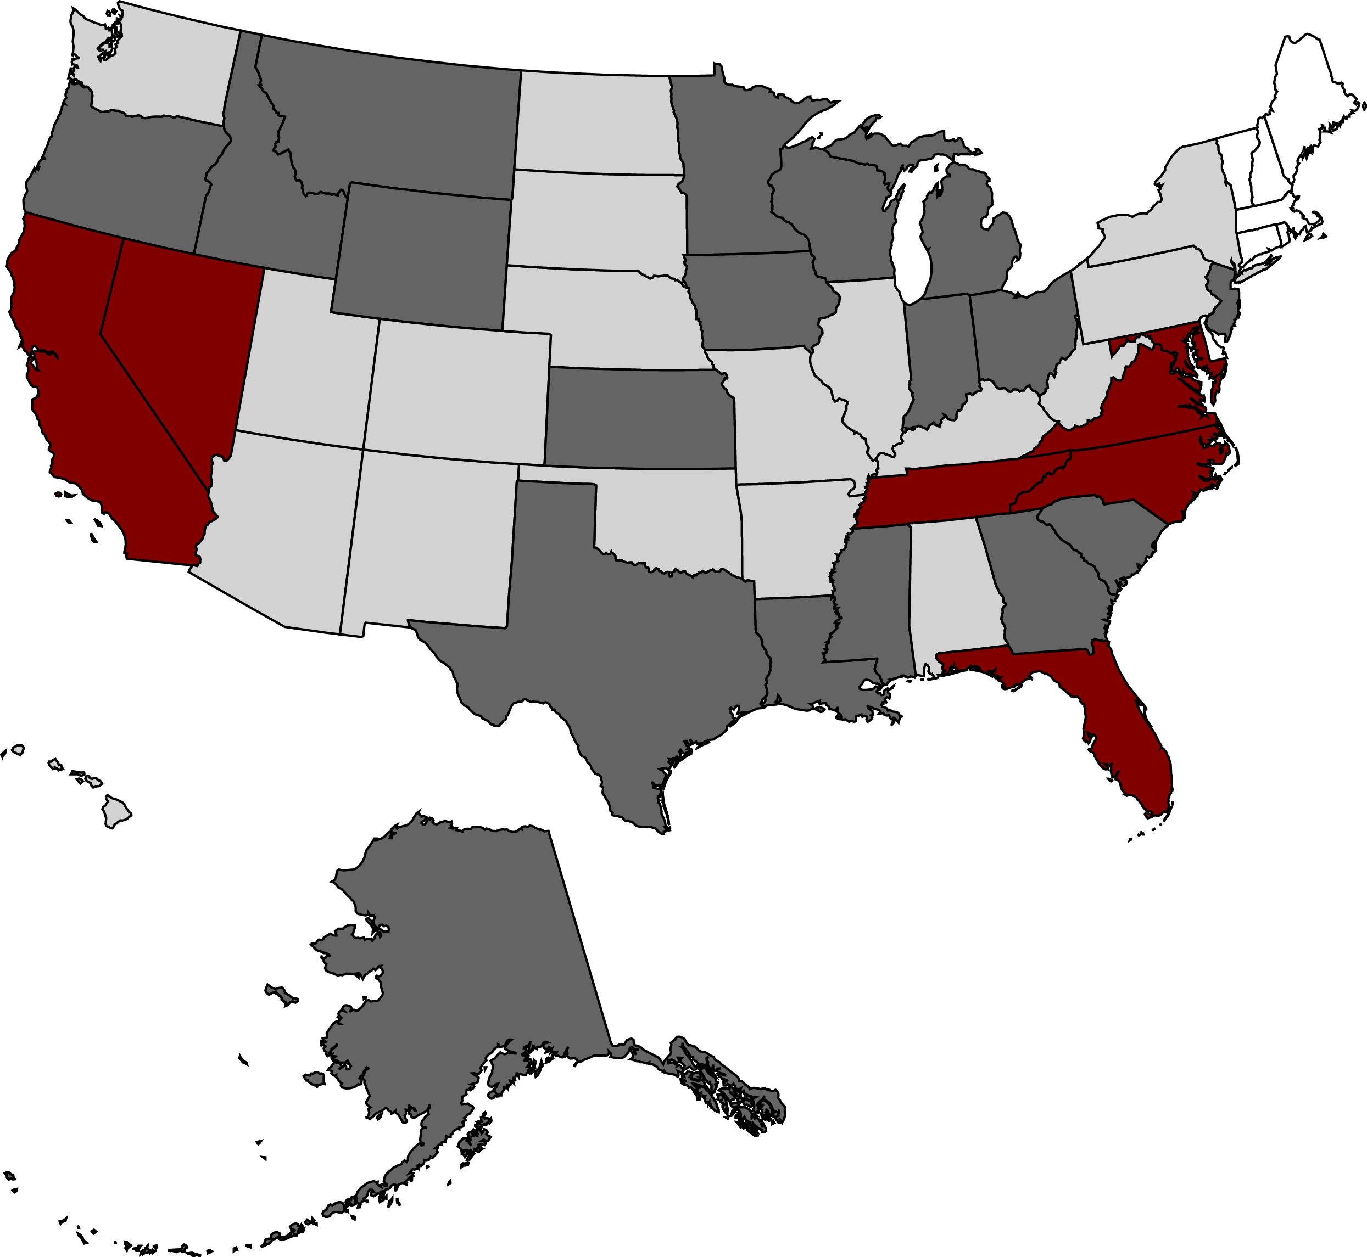

0-5%
5-10%
10-15%
15-40%

Source: Authors’ calculations based on U.S. Census Bureau (2013a).
*When using these data, please cite the Center for Retirement Research at Boston College.

Figure 2
Figure 2. Percentage of Total Public Pension Assets Held in County-Administered Plans, for Selected States

Source: Authors’ calculations based on U.S. Census Bureau (2013b).
*When using these data, please cite the Center for Retirement Research at Boston College.

State | County Plan Proportion
MD | 17.0%
CA | 15.9%
VA | 14.2%
DE | 5.9%
IL | 5.6%
PA | 4.9%
MI | 4.9%
GA | 3.4%
MA | 3.2%
TN | 2.6%
WI | 1.8%
MO | 1.0%
CO | 1.0%

Figure 3
Figure 3. Pension Contributions as a Percentage of Revenues for States, Counties, Cities, and School Districts, 2013

Note: Revenues include total revenues minus transfers to other levels of government.
Sources: Authors’ calculations based on U.S. Census Bureau (2013a) and various Comprehensive Annual Financial Reports (CAFRs).
*When using these data, please cite the Center for Retirement Research at Boston College.

States | 3.5%
Counties | 4.8%
Cities | 7.6%
School districts | 6.8%

Figure 4
Figure 4. County Pension Contributions as a Percentage of Revenues by State, 2013

Note: Revenues include total revenues minus transfers to other levels of government.
Sources: Authors’ calculations based on U.S. Census Bureau (2013a) and various CAFRs.
*When using these data, please cite the Center for Retirement Research at Boston College.

0-2% | 17.22%
2-4% | 47.02%
4-6% | 21.19%
6-8% | 7.28%
8-10% | 3.31%
10% + | 3.97%

Figure 5
Figure 5. Aggregate Funded Ratios: State, County, City, and School District Pension Plans, 2013

Sources: Authors’ calculations based on various actuarial valuations and CAFRs.
*When using these data, please cite the Center for Retirement Research at Boston College.

 | Funded ratio
States | 73.7%
Counties | 74.9%
Cities | 67.3%
School districts | 58.1%

Figure 6
Figure 6. Unfunded Pension Liabilities of States, Counties, Cities, and School Districts, in Billions of Dollars, 2013

Sources: Authors’ calculations based on U.S. Census Bureau (2013d), various actuarial valuations, and CAFRs.
*When using these data, please cite the Center for Retirement Research at Boston College.

 | UAAL_Govt
States | 484,802,545
Counties | 146,223,208
Cities | 293,796,746
School districts | 300,452,795

