Figure 1
Figure 1. ESG-Screened Assets in the United States, 1995-2014, Trillions of Dollars

Source: The Forum for Sustainable and Responsible Investments (2014).
*When using these data, please cite the Center for Retirement Research at Boston College.

ESG Incorporation | 1995 | 1997 | 1999 | 2001 | 2003 | 2005 | 2007 | 2010 | 2012 | 2014
 | $166 | $533 | $1,502 | $2,018 | $2,157 | $1,704 | $2,123 | $2,554 | $3,314 | $6,200

Figure 2
Figure 2. ESG-Screened Assets by Investor Type, 2014

Source: The Forum for Sustainable and Responsible Investments (2014).
*When using these data, please cite the Center for Retirement Research at Boston College.

Institution | Percent
Public | 67.8%
Corporate | 18.8%
Education | 7.8%
Faith-based | 1.8%
Health care | 1.8%
Foundations | 1.7%
Nonprofit | 0.3%

Figure 3
Figure 3. States with Iran-screening Requirements, Before and After Iran Nuclear Deal

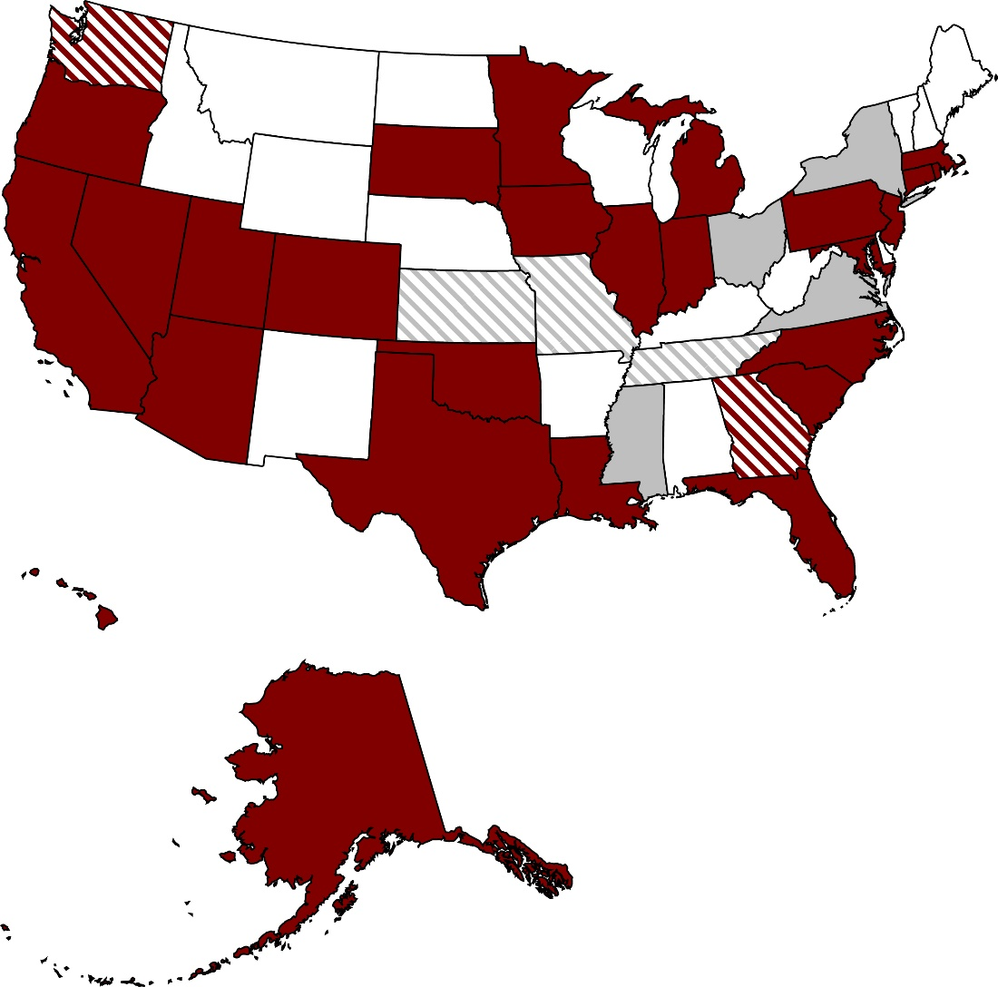

Pre JCPOA – existing
Pre JCPOA – expired or repealed
Post JCPOA – enacted or pending
Post JCPOA – failed

Sources: National Conference of State Legislatures (2016); Garcia and Garvey (2013); and Watson Institute for International and Public Affairs (2016).
*When using these data, please cite the Center for Retirement Research at Boston College.

Figure 4
Figure 4. Impact of Divestment Laws and Other Factors on Annual Average Geometric Returns of State-Administered Plans, in Basis Points, 2001-2015

Percentage in alternatives | -0.47
Percentage in real estate | 0
Percentage in fixed income | 4.04
Percentage in equities | -1.49
Percentage of ARC paid | -2.53
Log of net assets | 17.5
Passed divestment law | -38.5

Notes: Controls were included for each individual state trend, as well as state and year fixed effects. Solid bars are statistically significant at least at the 5-percent level.
Source: Authors’ calculations from Public Plans Database (2001-2015).
*When using these data, please cite the Center for Retirement Research at Boston College.

 | Passed divestment law | -38.5 | **
Plan Characteristics | Log of net assets | 17.5 | ***
 | Percentage of ARC paid | -2.53 | ***
Asset Allocation | Percentage in equities | -1.5
 | Percentage in fixed income | 4.0 | ***
 | Percentage in real estate | 0
 | Percentage in alternatives | -0.47 | *

