Figure 1
Figure 1. Premium Restrictions by State, 2013

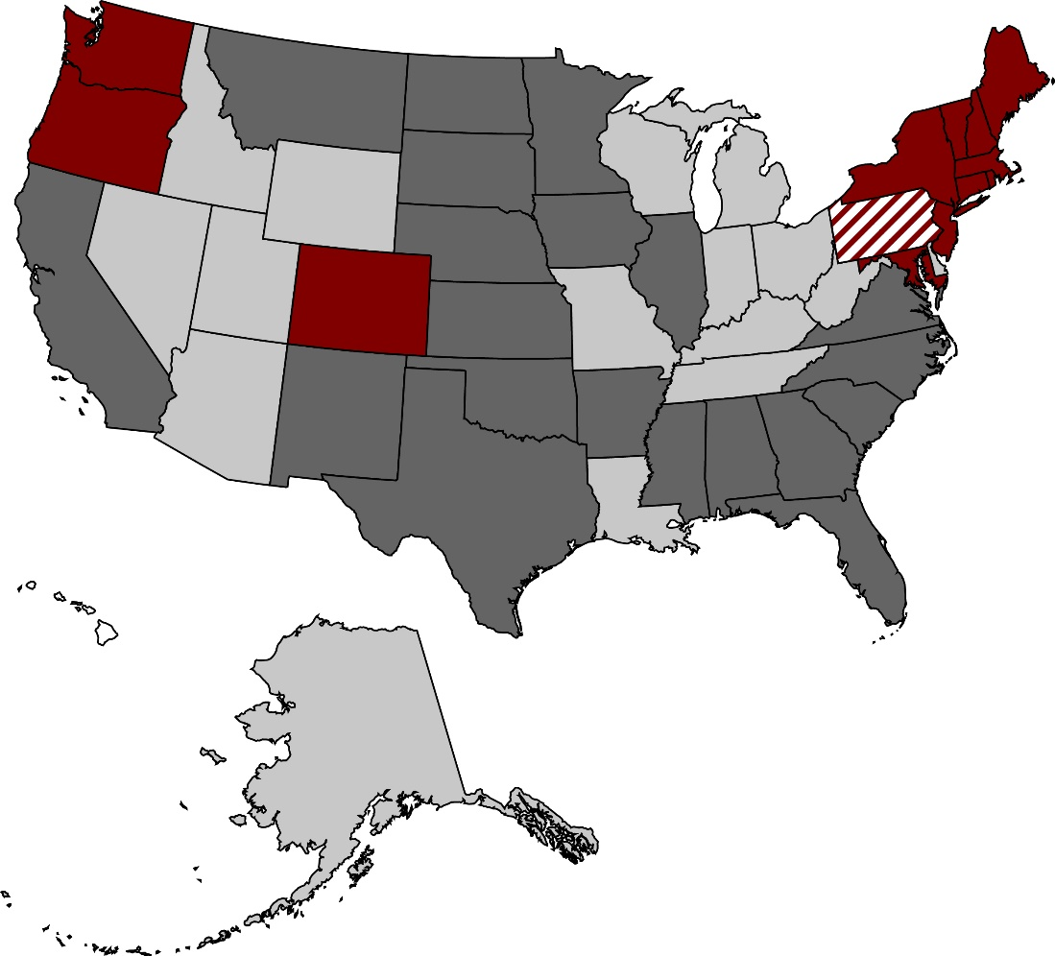

None
Weak
Strong
Community rating
Data not available

Source: Rutledge and Crawford (2016).
* When using these data, please cite the Center for Retirement Research at Boston College.

Figure 2
Figure 2. Predicted Employment Rate by Rate Band Strength, Age, and Firm Size

Note: “Community rating” refers to a 1:1 rate-band ratio, “Strong” ratios are between 1.2:1 and 1.67:1, and “Weak” ratios are between 1.86:1 and 4:1.
Source: Authors’ estimates from the U.S. Census Bureau, Current Population Survey (CPS), 1989-2013.
* When using these data, please cite the Center for Retirement Research at Boston College.

 | 50+ |  |  |  | <50
 | None | Weak | Strong | CR | None | Weak | Strong | CR
Small firm | 25.48% | 25.43% | 25.86% | 26.26% | 31.19% | 30.71% | 30.78% | 30.84%
Large firm | 43.91% | 44.18% | 44.99% | 45.73% | 50.02% | 49.46% | 49.47% | 49.47%

Figure 3
Figure 3. Predicted Gap Between Average Large and Small Firm Earnings, by Rate-Band Strength and Worker Age, in 2013 Dollars
 | Large firm | Small firm
 |  | $13,401
 |  | $12,047
 |  | $10,973
 |  | $9,979
 |  | $10,670
 |  | $9,674
 |  | $8,883
 |  | $8,154

Note: “Community rating” refers to a 1:1 rate-band ratio, “Strong” ratios are between 1.2:1 and 1.67:1, and “Weak” ratios are between 1.86:1 and 4:1.
Source: Authors’ estimates from the 1989-2013 CPS.
* When using these data, please cite the Center for Retirement Research at Boston College.

Small firm |  |  |  | Large firm
None | Weak | Strong | CR | None | Weak | Strong | CR
$13,401 | $12,047 | $10,973 | $9,979 | $10,670 | $9,674 | $8,883 | $8,154

Figure 4
Figure 4. Estimated Effect of Adopting Community Rating on Labor Market Outcomes for Individuals Ages 50-61, by Education

Note: Solid bars are statistically significant at least at the 10-percent level.
Source: Authors’ estimates from the 1989-2013 CPS.
* When using these data, please cite the Center for Retirement Research at Boston College.

 | College+ | Some college | HS only | Less than HS
Overall employment | 0.8 | 1.1 | 3.1 | 3.3
Small firm employment | -0.7 | -2.3 | 0.0 | -1.7
Earnings at a small firm | 3.7 | 1.4 | 6.1 | -5.9

