Figure 1
Figure 1. Percentage of Connecticut Private Sector Workers Not Offered a Retirement Plan, by Employer Size, 2014

Source: Authors’ calculations from U.S. Census Bureau, Current Population Survey March Supplement (2015).
* When using these data, please cite the Center for Retirement Research at Boston College.

 | 100 workers or less | 100-500 | 500-1,000 | 1,000+
Not offered | 67% | 38% | 34% | 31%

Figure 2
Figure 2. State Retirement Security Activity, as of March 2016

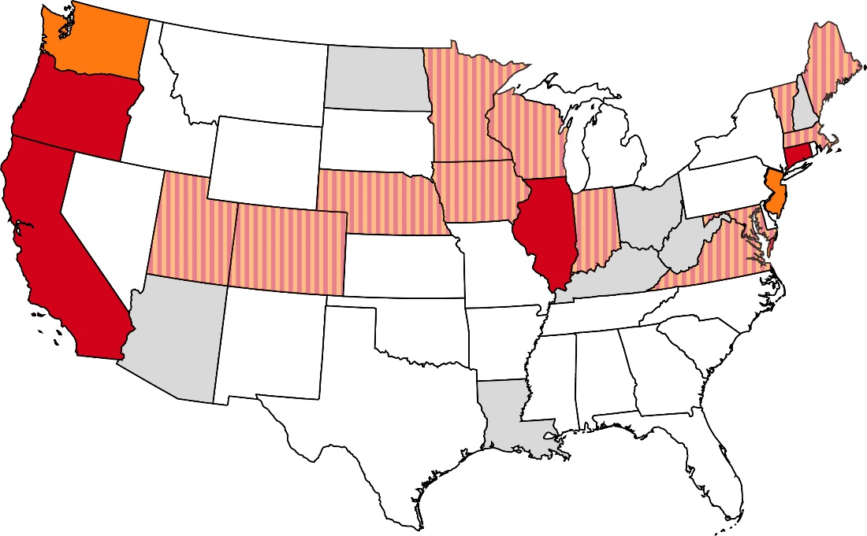

Failed legislative initiative
No activity
Active legislative initiative
Auto-IRA enacted
Marketplace enacted

Source: Authors’ analysis.
* When using these data, please cite the Center for Retirement Research at Boston College.

Figure 3
Figure 3. Average Wages of Private Sector Workers in Connecticut, 2014

Source: Authors’ calculations from 2015 CPS.
* When using these data, please cite the Center for Retirement Research at Boston College.

Age | Connecticut - offered plan | Connecticut - not offered plan | All U.S. workers
< 25 | $49,142.92 | $15,170.54 | $20,517.45
26-35 | $59,064.00 | $37,942.68 | $42,052.57
36-45 | $84,262.27 | $52,667.64 | $54,734.71
46-55 | $80,260.23 | $51,259.13 | $56,171.52
56-65 | $93,705.18 | $59,799.17 | $52,947.52

Figure 4
Figure 4. Saver’s Credit Rate under Current Law and S. 2492 for those Married Filing Jointly, 2016

Source: Authors’ calculations.
* When using these data, please cite the Center for Retirement Research at Boston College.

Income | Current under current law | Credit under S. 2492
$0 | 0 | 0
$500 | 0.5 | 0.5
$1,000 | 0.5 | 0.5
$1,500 | 0.5 | 0.5
$2,000 | 0.5 | 0.5
$2,500 | 0.5 | 0.5
$3,000 | 0.5 | 0.5
$3,500 | 0.5 | 0.5
$4,000 | 0.5 | 0.5
$4,500 | 0.5 | 0.5
$5,000 | 0.5 | 0.5
$5,500 | 0.5 | 0.5
$6,000 | 0.5 | 0.5
$6,500 | 0.5 | 0.5
$7,000 | 0.5 | 0.5
$7,500 | 0.5 | 0.5
$8,000 | 0.5 | 0.5
$8,500 | 0.5 | 0.5
$9,000 | 0.5 | 0.5
$9,500 | 0.5 | 0.5
$10,000 | 0.5 | 0.5
$10,500 | 0.5 | 0.5
$11,000 | 0.5 | 0.5
$11,500 | 0.5 | 0.5
$12,000 | 0.5 | 0.5
$12,500 | 0.5 | 0.5
$13,000 | 0.5 | 0.5
$13,500 | 0.5 | 0.5
$14,000 | 0.5 | 0.5
$14,500 | 0.5 | 0.5
$15,000 | 0.5 | 0.5
$15,500 | 0.5 | 0.5
$16,000 | 0.5 | 0.5
$16,500 | 0.5 | 0.5
$17,000 | 0.5 | 0.5
$17,500 | 0.5 | 0.5
$18,000 | 0.5 | 0.5
$18,500 | 0.5 | 0.5
$19,000 | 0.5 | 0.5
$19,500 | 0.5 | 0.5
$20,000 | 0.5 | 0.5
$20,500 | 0.5 | 0.5
$21,000 | 0.5 | 0.5
$21,500 | 0.5 | 0.5
$22,000 | 0.5 | 0.5
$22,500 | 0.5 | 0.5
$23,000 | 0.5 | 0.5
$23,500 | 0.5 | 0.5
$24,000 | 0.5 | 0.5
$24,500 | 0.5 | 0.5
$25,000 | 0.5 | 0.5
$25,500 | 0.5 | 0.5
$26,000 | 0.5 | 0.5
$26,500 | 0.5 | 0.5
$27,000 | 0.5 | 0.5
$27,500 | 0.5 | 0.5
$28,000 | 0.5 | 0.5
$28,500 | 0.5 | 0.5
$29,000 | 0.5 | 0.5
$29,500 | 0.5 | 0.5
$30,000 | 0.5 | 0.5
$30,500 | 0.5 | 0.5
$31,000 | 0.5 | 0.5
$31,500 | 0.5 | 0.5
$32,000 | 0.5 | 0.5
$32,500 | 0.5 | 0.5
$33,000 | 0.5 | 0.5
$33,500 | 0.5 | 0.5
$34,000 | 0.5 | 0.5
$34,500 | 0.5 | 0.5
$35,000 | 0.5 | 0.5
$35,500 | 0.5 | 0.5
$36,000 | 0.5 | 0.5
$36,500 | 0.5 | 0.5
$37,000 | 0.5 | 0.5
$37,500 | 0.2 | 0.5
$38,000 | 0.2 | 0.5
$38,500 | 0.2 | 0.5
$39,000 | 0.2 | 0.5
$39,500 | 0.2 | 0.5
$40,000 | 0.2 | 0.5
$40,500 | 0.1 | 0.5
$41,000 | 0.1 | 0.5
$41,500 | 0.1 | 0.5
$42,000 | 0.1 | 0.5
$42,500 | 0.1 | 0.5
$43,000 | 0.1 | 0.5
$43,500 | 0.1 | 0.5
$44,000 | 0.1 | 0.5
$44,500 | 0.1 | 0.5
$45,000 | 0.1 | 0.5
$45,500 | 0.1 | 0.5
$46,000 | 0.1 | 0.5
$46,500 | 0.1 | 0.5
$47,000 | 0.1 | 0.5
$47,500 | 0.1 | 0.5
$48,000 | 0.1 | 0.5
$48,500 | 0.1 | 0.5
$49,000 | 0.1 | 0.5
$49,500 | 0.1 | 0.5
$50,000 | 0.1 | 0.5
$50,500 | 0.1 | 0.5
$51,000 | 0.1 | 0.5
$51,500 | 0.1 | 0.5
$52,000 | 0.1 | 0.5
$52,500 | 0.1 | 0.5
$53,000 | 0.1 | 0.5
$53,500 | 0.1 | 0.5
$54,000 | 0.1 | 0.5
$54,500 | 0.1 | 0.5
$55,000 | 0.1 | 0.5
$55,500 | 0.1 | 0.5
$56,000 | 0.1 | 0.5
$56,500 | 0.1 | 0.5
$57,000 | 0.1 | 0.5
$57,500 | 0.1 | 0.5
$58,000 | 0.1 | 0.5
$58,500 | 0.1 | 0.5
$59,000 | 0.1 | 0.5
$59,500 | 0.1 | 0.5
$60,000 | 0.1 | 0.5
$60,500 | 0.1 | 0.5
$61,000 | 0.1 | 0.5
$61,500 | 0.1 | 0.5
$62,000 | 0 | 0.5
$62,500 | 0 | 0.5
$63,000 | 0 | 0.5
$63,500 | 0 | 0.5
$64,000 | 0 | 0.5
$64,500 | 0 | 0.5
$65,000 | 0 | 0.5
$65,500 | 0 | 0.4875
$66,000 | 0 | 0.475
$66,500 | 0 | 0.4625
$67,000 | 0 | 0.45
$67,500 | 0 | 0.4375
$68,000 | 0 | 0.425
$68,500 | 0 | 0.4125
$69,000 | 0 | 0.4
$69,500 | 0 | 0.3875
$70,000 | 0 | 0.375
$70,500 | 0 | 0.3625
$71,000 | 0 | 0.35
$71,500 | 0 | 0.3375
$72,000 | 0 | 0.325
$72,500 | 0 | 0.3125
$73,000 | 0 | 0.3
$73,500 | 0 | 0.2875
$74,000 | 0 | 0.275
$74,500 | 0 | 0.2625
$75,000 | 0 | 0.25
$75,500 | 0 | 0.2375
$76,000 | 0 | 0.225
$76,500 | 0 | 0.2125
$77,000 | 0 | 0.2
$77,500 | 0 | 0.1875
$78,000 | 0 | 0.175
$78,500 | 0 | 0.1625
$79,000 | 0 | 0.15
$79,500 | 0 | 0.1375
$80,000 | 0 | 0.125
$80,500 | 0 | 0.1125
$81,000 | 0 | 0.1
$81,500 | 0 | 0.0875
$82,000 | 0 | 0.075
$82,500 | 0 | 0.0625
$83,000 | 0 | 0.05
$83,500 | 0 | 0.0375
$84,000 | 0 | 0.025
$84,500 | 0 | 0.0125
$85,000 | 0 | 0

