Figure 1
Figure 1. Job Postings on RetirementJobs.com per 1,000 People Ages 55 and Over

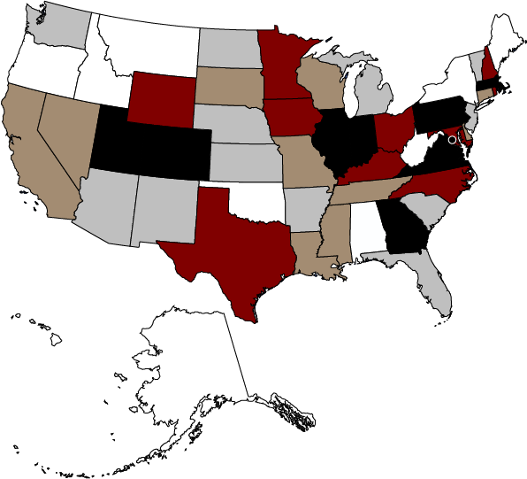

2.07-2.55
1.41-2.04
2.57-2.89
2.92-3.31
3.43-9.91

Sources: Authors’ calculations from RetirementJobs.com (2019); and U.S. Census Bureau, Current Population Survey (2018).
* When using these data, please cite the Center for Retirement Research at Boston College.

Figure 2
Figure 2. Share of Job Postings by Source in Each Census Region

Sources: Authors’ calculations from RetirementJobs.com (2019); and U.S. Bureau of Labor Statistics, Job Openings and Labor Turnover Survey (2019).
* When using these data, please cite the Center for Retirement Research at Boston College.

 | RetirementJobs | Direct RetirementJobs | JOLTS
Northeast | 19% | 22% | 17%
Midwest | 22% | 24% | 22%
South | 38% | 34% | 38%
West | 21% | 21% | 22%

