Figure 1
Figure 1. U.S. Population by Birth-Year Cohort, in Millions, 1919-2019

Source: U.S. Census Bureau, Current Population Survey (CPS) (2020).
* When using these data, please cite the Center for Retirement Research at Boston College.

Birth year |  | Summary | Birth year
1918 | - | Greatest and Silent | 1916-1945 | 27,262,325
1919 | 0.00 | Early Boomers | 1946-1953 | 27,425,236
1920 | 39,370 | Late Boomers | 1954-1964 | 46,618,294
1921 | 78,740 | Gen-Xers | 1965-1980 | 64,554,679
1922 | 118,110 | Millennials | 1981-1999 | 84,025,737
1923 | 157,480 | Gen-Zers | 2000-2016 | 70,472,171
1924 | 196,850
1925 | 276,209
1926 | 355,567
1927 | 410,243
1928 | 474,694
1929 | 539,145
1930 | 603,596
1931 | 668,046
1932 | 732,497
1933 | 796,948
1934 | 861,399
1935 | 925,850
1936 | 1,033,007
1937 | 1,140,165
1938 | 1,247,322
1939 | 1,354,480
1940 | 1,705,502
1941 | 1,880,793
1942 | 1,932,232
1943 | 2,205,610
1944 | 2,362,727
1945 | 2,200,502
1946 | 2,965,241
1947 | 3,208,288
1948 | 3,118,260
1949 | 3,222,189
1950 | 3,374,003
1951 | 3,352,044
1952 | 3,631,018
1953 | 3,562,562
1954 | 3,956,871
1955 | 3,903,575
1956 | 4,410,645
1957 | 4,374,049
1958 | 4,210,172
1959 | 4,325,682
1960 | 4,356,297
1961 | 4,047,206
1962 | 4,365,845
1963 | 4,318,991
1964 | 4,264,196
1965 | 4,041,635
1966 | 3,897,013
1967 | 3,968,258
1968 | 4,111,113
1969 | 4,147,733
1970 | 4,277,087
1971 | 3,955,173
1972 | 3,853,257
1973 | 3,790,287
1974 | 3,940,331
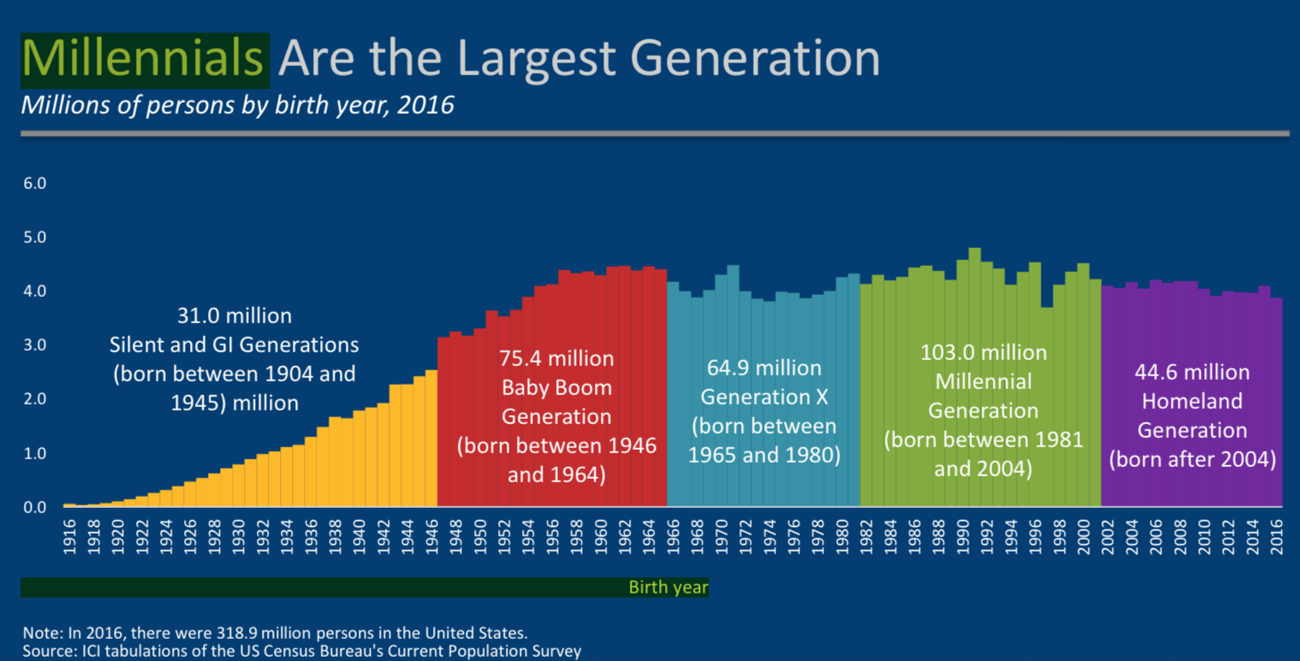
1975 | 3,850,270
1976 | 3,965,648
1977 | 3,857,767
1978 | 4,056,466
1979 | 4,320,165
1980 | 4,459,660
1981 | 4,104,451
1982 | 4,535,748
1983 | 4,254,683
1984 | 4,420,151
1985 | 4,289,423
1986 | 4,404,585
1987 | 4,590,606
1988 | 4,513,332
1989 | 4,656,865
1990 | 4,846,246
1991 | 4,622,130
1992 | 4,682,151
1993 | 4,309,141
1994 | 4,796,964
1995 | 4,366,385
1996 | 4,143,659
1997 | 4,479,937
1998 | 4,150,865
1999 | 4,127,762
2000 | 3,835,103
2001 | 4,245,414
2002 | 4,433,067
2003 | 4,270,905
2004 | 4,176,065
2005 | 4,212,150
2006 | 4,163,280
2007 | 4,326,814
2008 | 4,150,838
2009 | 4,090,422
2010 | 4,172,522
2011 | 4,043,883
2012 | 4,140,555
2013 | 4,039,629
2014 | 4,040,355
2015 | 4,033,988
2016 | 3,976,166
2017 | 3,956,116
2018 | 3,969,222
2019 | 3,684,434

Figure 2
Figure 2. Age Cohorts by Race/Ethnicity, Ages 28-38

Source: Authors’ calculations from 1993, 2008, and 2020 CPS.
* When using these data, please cite the Center for Retirement Research at Boston College.

 | Late Boomers | Gen-Xers | Millennials
White | 73.3% | 61.6% | 57.6%
Black | 11.9% | 11.7% | 11.8%
Hispanic | 10.7% | 18.7% | 19.9%
Asian | 3.2% | 6.0% | 7.7%
Other | 0.9% | 2.0% | 3.0%
Non-white | 26.7% | 38.4% | 42.4%

Figure 3
Figure 3. Percentage of Individuals with a College Degree, Ages 28-38

a. Men |  |  |  |  | b. Women

Source: Authors’ calculations from 1993, 2008, and 2020 CPS.
* When using these data, please cite the Center for Retirement Research at Boston College.

Age | Late Boomers | Gen-Xers | Millennials |  | Age | Late Boomers | Gen-Xers | Millennials
28 | 25% | 31% | 38% |  | 28 | 24% | 35% | 44%
29 | 24% | 30% | 36% |  | 29 | 25% | 36% | 44%
30 | 25% | 29% | 39% |  | 30 | 22% | 36% | 46%
31 | 26% | 31% | 38% |  | 31 | 25% | 36% | 45%
32 | 26% | 36% | 44% |  | 32 | 25% | 37% | 48%
33 | 23% | 31% | 41% |  | 33 | 20% | 39% | 49%
34 | 27% | 33% | 40% |  | 34 | 23% | 36% | 52%
35 | 27% | 32% | 43% |  | 35 | 24% | 39% | 44%
36 | 23% | 37% | 41% |  | 36 | 26% | 37% | 47%
37 | 26% | 30% | 38% |  | 37 | 25% | 35% | 48%
38 | 28% | 33% | 42% |  | 38 | 24% | 38% | 48%

Source: CRR's calculation based on 1989, 2004 and 2016 Current Population Survey (CPS). |  |  |  | Source: CRR's calculation based on 1989, 2004 and 2016 Current Population Survey (CPS).

Figure 4
Figure 4. Labor Force Participation Rates, Ages 28-38

a. Men |  |  |  |  | b. Women

Source: Authors’ calculations from 1993, 2008, and 2020 CPS.
* When using these data, please cite the Center for Retirement Research at Boston College.

Age | Late Boomers | Gen-Xers | Millennials |  | Age | Late Boomers | Gen-Xers | Millennials
28 | 93% | 90% | 88% |  | 28 | 75% | 77% | 76%
29 | 95% | 94% | 88% |  | 29 | 70% | 77% | 78%
30 | 93% | 93% | 89% |  | 30 | 74% | 75% | 74%
31 | 94% | 93% | 91% |  | 31 | 71% | 74% | 79%
32 | 93% | 95% | 90% |  | 32 | 74% | 75% | 76%
33 | 94% | 91% | 91% |  | 33 | 72% | 76% | 75%
34 | 94% | 92% | 93% |  | 34 | 76% | 74% | 74%
35 | 94% | 93% | 92% |  | 35 | 74% | 75% | 77%
36 | 95% | 94% | 92% |  | 36 | 73% | 73% | 73%
37 | 95% | 91% | 94% |  | 37 | 77% | 73% | 77%
38 | 94% | 94% | 92% |  | 38 | 73% | 76% | 76%

Source: CRR's calculation based on 1989, 2004 and 2016 Current Population Survey (CPS). |  |  |  | Source: CRR's calculation based on 1989, 2004 and 2016 Current Population Survey (CPS).

Figure 5
Figure 5. Ratio of Earnings for Workers Ages 28-38 Relative to Earnings for All Workers

a. Men |  |  |  |  | b. Women

Note: The top 1 percent of earners are top-coded.
Source: Authors’ calculations from 1993, 2008, and 2020 CPS.
* When using these data, please cite the Center for Retirement Research at Boston College.

Age | Late Boomers | Gen-Xers | Millennials |  | Age | Late Boomers | Gen-Xers | Millennials
28 | 105% | 103% | 105% |  | 28 | 125% | 119% | 115%
29 | 107% | 112% | 102% |  | 29 | 127% | 122% | 124%
30 | 115% | 115% | 113% |  | 30 | 125% | 121% | 122%
31 | 121% | 122% | 119% |  | 31 | 129% | 124% | 121%
32 | 127% | 129% | 121% |  | 32 | 134% | 124% | 131%
33 | 123% | 126% | 125% |  | 33 | 128% | 138% | 141%
34 | 133% | 134% | 131% |  | 34 | 127% | 130% | 148%
35 | 138% | 142% | 148% |  | 35 | 130% | 136% | 140%
36 | 137% | 149% | 140% |  | 36 | 134% | 135% | 148%
37 | 145% | 151% | 141% |  | 37 | 132% | 138% | 148%
38 | 142% | 150% | 145% |  | 38 | 134% | 142% | 143%

Source: CRR's calculation based on 1989, 2004 and 2016 Current Population Survey (CPS). |  |  |  | Source: CRR's calculation based on 1989, 2004 and 2016 Current Population Survey (CPS).
*Top-coding the top 1 percent of earners |  |  |  | *Top-coding the top 1 percent of earners

Figure 6
Figure 6. Percentage of Individuals Who Are Married, Ages 28-38

Source: Authors’ calculations from 1993, 2008, and 2020 CPS.
* When using these data, please cite the Center for Retirement Research at Boston College.

Age | Late Boomers | Gen-Xers | Millennials
28 | 54% | 48% | 37%
29 | 61% | 54% | 41%
30 | 60% | 57% | 45%
31 | 63% | 58% | 50%
32 | 65% | 60% | 55%
33 | 66% | 64% | 56%
34 | 68% | 64% | 60%
35 | 69% | 66% | 64%
36 | 68% | 68% | 63%
37 | 70% | 68% | 64%
38 | 69% | 69% | 67%

Figure 7
Figure 7. Percentage of Households Who Own a Home, Ages 28-38

Source: Authors’ calculations from 1993, 2008, and 2020 CPS.
* When using these data, please cite the Center for Retirement Research at Boston College.

Age | Late Boomers | Gen-Xers | Millennials
28 | 39% | 44% | 39%
29 | 44% | 48% | 39%
30 | 46% | 50% | 42%
31 | 49% | 51% | 47%
32 | 50% | 56% | 52%
33 | 52% | 56% | 53%
34 | 57% | 57% | 55%
35 | 61% | 60% | 59%
36 | 59% | 65% | 61%
37 | 64% | 64% | 56%
38 | 64% | 67% | 64%

Figure 8
Figure 8. Median Net Wealth-to-Income Ratio, Ages 28-38

Source: Authors’ calculations from U.S. Board of Governors of the Federal Reserve System, Survey of Consumer Finances (SCF) (1989, 2004, and 2019).
* When using these data, please cite the Center for Retirement Research at Boston College.

Age | Late Boomers | Gen-Xers | Millennials
All 28-38 | 57% | 83% | 56%
28-30 | 43% | 56% | 47%
31-34 | 59% | 76% | 53%
34-38 | 82% | 110% | 70%

Figure 9
Figure 9. Student Loan Burden for Households, Ages 28-38

a. Percentage of Households with Student Loans |  |  |  | b. Student Loan-to-Income Ratio

Source: Authors’ calculations from 1989, 2007, and 2019 SCF.
* When using these data, please cite the Center for Retirement Research at Boston College.

Age | Late Boomers | Gen-Xers | Millennials | Age | Late Boomers | Gen-Xers | Millennials
All 28-38 | 17% | 28% | 40% | All 28-38 | 10% | 29% | 43%
28-30 | 24% | 35% | 41% | 28-30 | 9% | 32% | 49%
31-34 | 17% | 32% | 43% | 31-34 | 17% | 24% | 44%
34-38 | 13% | 19% | 37% | 34-38 | 9% | 30% | 35%

Figure 10
Figure 10. Median Net Wealth-to-Income Ratio, Excluding Student Loans, Ages 28-38

Source: Authors’ calculations from 1989, 2007, and 2019 SCF.
* When using these data, please cite the Center for Retirement Research at Boston College.

Age | Late Boomers | Gen-Xers | Millennials
All 28-38 | 61% | 90% | 76%
28-30 | 46% | 70% | 63%
31-34 | 63% | 81% | 68%
34-38 | 86% | 114% | 102%

