Figure 1
Figure 1. Noncovered State and Local Plans, by State

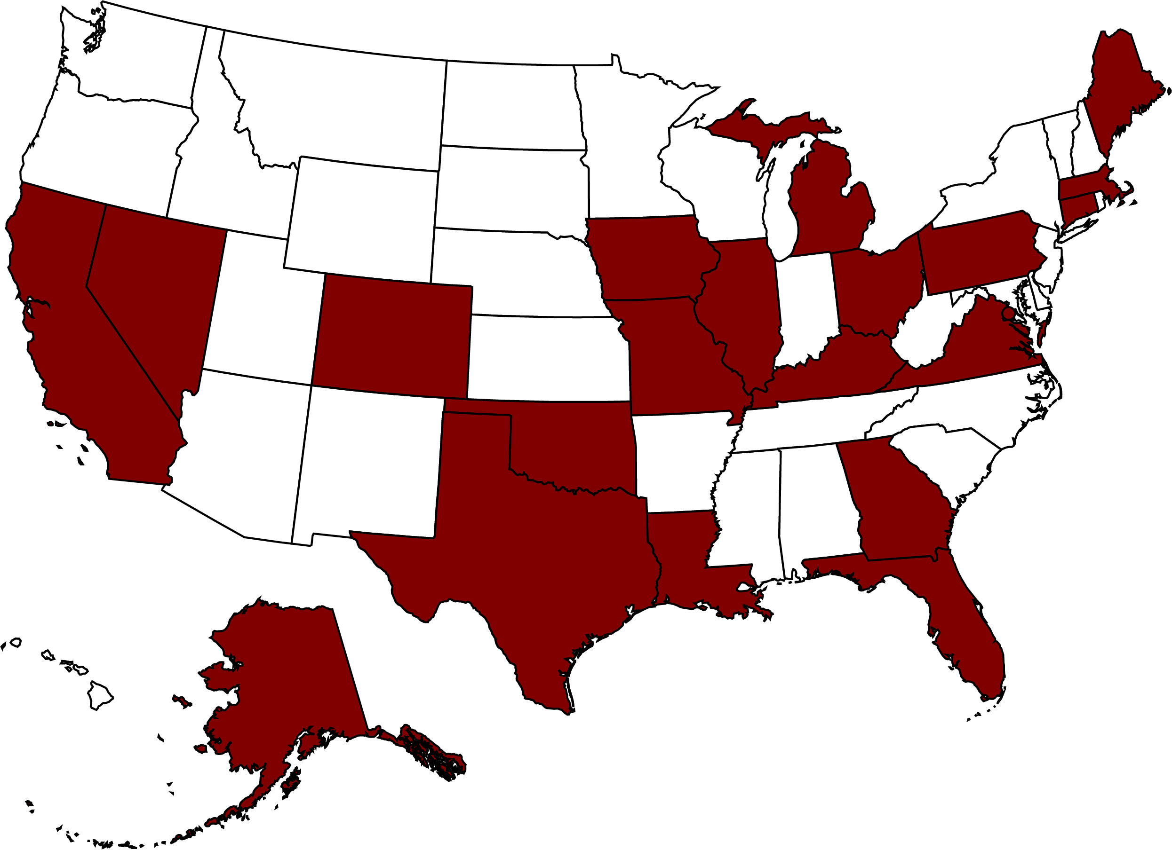

Does not have a noncovered PPD plan
Has a noncovered PPD plan

Source: Authors’ illustration based on the Public Plans Database (PPD) (2001-2020).
* When using these data, please cite the Center for Retirement Research at Boston College.

State that has a noncovered PPD plan
AK
CO
DC
MA
NV
OH
CA
CT
GA
IL
LA
TX
FL
IA
KY
ME
MI
MO
OK
PA
VA

Figure 2
Figure 2. Actual and Assumed Investment Returns, 2021

Sources: Authors’ calculations based on the PPD, plan investment reports, and direct communications with plan administrators.
* When using these data, please cite the Center for Retirement Research at Boston College.

 | Actual | Assumed
Noncovered plans | 27.58% | 7.10%
Covered plans | 27.35% | 7.17%

Figure 3
Figure 3. Quarterly State and Local Tax Revenues, 2017-2021

Source: Authors’ calculations based on Census of Governments: Quarterly Summary of State & Local Tax Revenue (2017-2021).
* When using these data, please cite the Center for Retirement Research at Boston College.

Year-quarter | Property tax | Income tax | Sales tax
2017 Q1 | $139,257 | $110,624 | $95,817
2017 Q2 | $139,874 | $110,254 | $96,516
2017 Q3 | $141,248 | $113,797 | $99,911
2017 Q4 | $147,056 | $124,839 | $100,700
2018 Q1 | $141,527 | $127,171 | $101,264
2018 Q2 | $141,885 | $117,889 | $103,232
2018 Q3 | $147,247 | $124,042 | $101,044
2018 Q4 | $148,867 | $120,784 | $104,848
2019 Q1 | $150,525 | $128,048 | $107,482
2019 Q2 | $153,715 | $139,222 | $107,993
2019 Q3 | $152,576 | $133,988 | $111,653
2019 Q4 | $155,042 | $133,289 | $111,292
2020 Q1 | $155,994 | $132,077 | $112,762
2020 Q2 | $156,011 | $89,371 | $94,619
2020 Q3 | $159,393 | $188,741 | $114,244
2020 Q4 | $189,059 | $148,680 | $116,981
2021 Q1 | $170,942 | $158,970 | $117,411
2021 Q2 | $165,702 | $161,685 | $123,036

Figure 4
Figure 4. Aggregate Funded Ratio for Covered and Noncovered Pension Plans, 2000-2021

Source: Authors’ calculations based on the PPD (2001-2020).
* When using these data, please cite the Center for Retirement Research at Boston College.

FY | Covered | Noncovered
2001 | 101.74% | 92.74%
2002 | 95.42% | 83.68%
2003 | 90.61% | 79.13%
2004 | 88.34% | 77.60%
2005 | 86.11% | 76.63%
2006 | 85.50% | 78.27%
2007 | 86.87% | 79.89%
2008 | 83.93% | 76.99%
2009 | 78.42% | 71.63%
2010 | 76.44% | 70.50%
2011 | 75.37% | 69.35%
2012 | 73.11% | 67.72%
2013 | 73.67% | 67.23%
2014 | 74.50% | 68.90%
2015 | 74.62% | 69.81%
2016 | 73.95% | 68.72%
2017 | 73.91% | 69.83%
2018 | 74.03% | 69.63%
2019 | 73.80% | 69.56%
2020 | 73.60% | 69.53%
2021 | 74.78% | 71.36%

Figure 5
Figure 5. Annual Cash Flows as a Percentage of Assets, 2001-2020

Source: Authors’ calculations based on the PPD (2001-2020).
* When using these data, please cite the Center for Retirement Research at Boston College.

FY | Covered | Noncovered
2001 | -2.43% | -1.43%
2002 | -2.82% | -1.78%
2003 | -3.04% | -1.83%
2004 | -2.68% | -1.00%
2005 | -2.60% | -1.58%
2006 | -2.53% | -1.80%
2007 | -2.25% | -1.85%
2008 | -2.65% | -1.89%
2009 | -3.37% | -2.75%
2010 | -3.47% | -2.80%
2011 | -3.43% | -2.64%
2012 | -3.42% | -3.01%
2013 | -3.19% | -3.08%
2014 | -2.83% | -2.73%
2015 | -2.94% | -2.58%
2016 | -3.14% | -2.76%
2017 | -2.95% | -2.48%
2018 | -2.94% | -2.02%
2019 | -2.85% | -2.08%
2020 | -3.13% | -1.99%
2021 | -3.36% | -2.11%

Figure 6
Figure 6. Annualized Actual and Assumed Investment Returns, 2001-2021

Sources: Authors’ calculations based on the PPD, plan investment reports, and direct communications with plan administrators.
* When using these data, please cite the Center for Retirement Research at Boston College.

 | Geometric actual return | Geometric assumed return
Covered | 6.85% | 7.68%
Noncovered | 6.84% | 7.70%

Figure 7
Figure 7. Number of Noncovered Plans, by the Probability of Asset Exhaustion before 2031

Note: Two plans (Alaska PERS and Alaska Teachers) are excluded, as they were closed to new members in 2006.
Source: Authors’ calculations using PPD (2001-2020).
* When using these data, please cite the Center for Retirement Research at Boston College.

Baseline | Plans
0% | 54
1-5% | 2
5-10% | 0
10-15% | 0
15-50% | 0
50-100% | 1

