Figure 1
Figure 1. Percentage of Private Sector Firms Offering a Retirement Plan, by Firm Size, 2024

Source: U.S. Department of Labor, National Compensation Survey (2024).
* When using these data, please cite the Center for Retirement Research at Boston College.

<50 | 49%
50-99 | 77%
100-499 | 92%
500+ | 98%

Figure 2
Figure 2. Major Reasons for Not Planning to Offer a Retirement Plan, 2023

Source: Chen (2023).
* When using these data, please cite the Center for Retirement Research at Boston College.

Concerns | 2023
Revenue stability/ business size | 60%
Cost | 52%
Admin burden/ compliance | 38%
High employee turnover | 37%
Employees prefer wages | 33%

Figure 3
Figure 3. Percentage of Firms that Cited Revenue/Size as a Major Reason for Not Offering a Retirement Plan, by Firm Size, 2023

Source: Chen (2023).
* When using these data, please cite the Center for Retirement Research at Boston College.

Year | 0-4 | 5-9 | 10-24 | 25-49 | 50-100
2023 | 78% | 68% | 58% | 54% | 38%

Figure 4
Figure 4. Perceived Annual Costs of Offering a Retirement Plan, 2023

Source: Chen (2023).
* When using these data, please cite the Center for Retirement Research at Boston College.

Under $5,000 | 6.54%
$5,000 to $10,000 | 25.70%
$10,001 to $20,000 | 23.83%
More than $20,000 | 27.57%
Don't know | 15.89%

Figure 5
Figure 5. Years Since Establishment for Firms to Begin Offering a Retirement Plan, 2023

Source: Chen (2023).
* When using these data, please cite the Center for Retirement Research at Boston College.

< 5 years | 51%
5-9 years | 36%
10-14 years | 8%
15+ years | 5%

Figure 6
Figure 6. Service Providers’ Estimates for Monthly Time for Retirement Plan Administration

Source: Chen (2026).
* When using these data, please cite the Center for Retirement Research at Boston College.

< 1 day/month | 27%
2-4 days/month | 49%
1 week/month | 16%
> 1 week/month | 5%
Not sure | 3%

Figure 7
Figure 7. Service Providers’ Estimates for How Much It Would Cost to Provide a Retirement Plan for 5 and 25 Employees

Source: Authors’ calculations from Chen (2026).
* When using these data, please cite the Center for Retirement Research at Boston College.

 | 5 employees | 25 employees
Correctly estimate | 52% | 63%
Overestimate | 43% | 34%
Not sure | 4% | 3%

Figure 8
Figure 8. Strategies that Influence the Share of Small Employer Clients with a Retirement Plan

Notes: Only statistically significant factors are shown. For full regression results, see the Appendix of Chen (2026).
Source: Chen (2026).
* When using these data, please cite the Center for Retirement Research at Boston College.

Guide through plan setup | 10%
MEP/PEP plan | 19%
Traditional 401(k) | 9%
SOLO 401(k) | 11%
SEP IRA | -13%
Discuss plan as recruitment/retention strategy | 26%
Greater knowledge of costs and features | 13%

Figure 9
Figure 9. State Initiatives to Address the Coverage Gap, as of July 2026

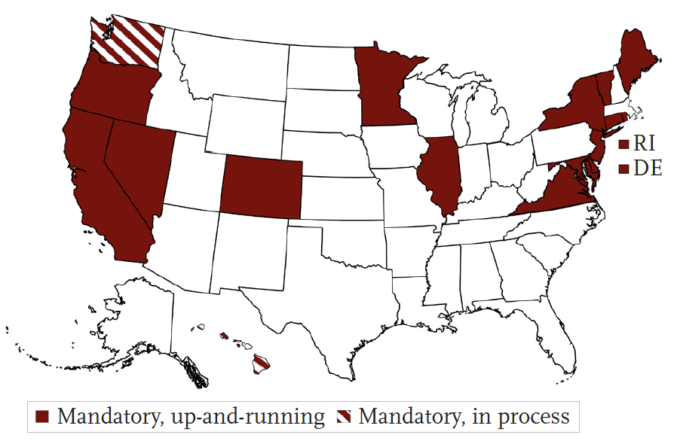

Source: Authors’ illustration using data from Georgetown Center for Retirement Initiatives (2026).
* When using these data, please cite the Center for Retirement Research at Boston College.

Mandatory, up-and-running | CA, CO, CT, DE, IL, MD, ME, MN, NJ, NV, NY, OR, RI, VA, VT
Mandatory, in process | HI, WA

Figure 10
Figure 10. Number of MEPs and PEPs, 2017-2023

Source: U.S. Department of Labor (2019-2026).
* When using these data, please cite the Center for Retirement Research at Boston College.

Year | Plans
2017 | 4,659
2018 | 4,730
2019 | 4,741
2020 | 4,791
2021 | 4,862
2022 | 4,763
2023 | 4,674

